Employees Detail
PAYROLL FOR COMPANY XYZ

CLICK ON THE DROPDOWN LIST TO CHANGE EMPLOYEE ID

Dropdown list | Employee_id | first_name | last_name | gender | Department
10 | 10 | Christine | Thomas | Female | Marketing

1ST WEEK OF MARCH
2ND WEEK OF MARCH
3RD WEEK OF MARCH
4TH WEEK OF MARCH

1 | 2 | 3 | 4 | 5 | 6
Employee_id | first_name | last_name | gender | department | amount | hours_worked (1st week) | salary | overtime | overtime_paymnet | total_payment | hours_worked(2nd week) | salary2 | overtime3 | overtime_payment | total_payment4 | hours_worked(3rd week) | salary5 | overtime6 | overtime_payment7 | total_payment8 | hours_worked(4th week) | salary9 | overtime10 | overtime_payment11 | total_payment12 | gross_pay | tax(10%) | net_pay
53 | Bobby | Robinson | Male | Sales and Business Development | $26.00 | 32 | $832.00 | 2 | $13.00 | $845.00 | 38 | $988.00 | 8 | $52.00 | $1,040.00 | 37 | $962.00 | 7 | $45.50 | $1,007.50 | 37 | $962.00 | 7 | $45.50 | $1,007.50 | $3,900.00 | $390.00 | $3,510.00
15 | Christina | Jackson | Female | Sales and Business Development | $26.00 | 29 | $754.00 | 0 | $- | $754.00 | 40 | $1,040.00 | 10 | $65.00 | $1,105.00 | 34 | $884.00 | 4 | $26.00 | $910.00 | 36 | $936.00 | 6 | $39.00 | $975.00 | $3,744.00 | $374.40 | $3,369.60
29 | Donna | Diaz | Female | Product Development | $26.00 | 38 | $988.00 | 8 | $52.00 | $1,040.00 | 28 | $728.00 | 0 | $- | $728.00 | 37 | $962.00 | 7 | $45.50 | $1,007.50 | 33 | $858.00 | 3 | $19.50 | $877.50 | $3,653.00 | $365.30 | $3,287.70
56 | Philip | Peterson | Male | Customer Support | $26.00 | 38 | $988.00 | 8 | $52.00 | $1,040.00 | 19 | $494.00 | 0 | $- | $494.00 | 39 | $1,014.00 | 9 | $58.50 | $1,072.50 | 38 | $988.00 | 8 | $52.00 | $1,040.00 | $3,646.50 | $364.65 | $3,281.85
43 | Gerald | Barnes | Male | Sales and Business Development | $26.00 | 28 | $728.00 | 0 | $- | $728.00 | 30 | $780.00 | 0 | $- | $780.00 | 36 | $936.00 | 6 | $39.00 | $975.00 | 40 | $1,040.00 | 10 | $65.00 | $1,105.00 | $3,588.00 | $358.80 | $3,229.20
25 | Kathy | Russell | Female | Sales and Business Development | $24.00 | 30 | $720.00 | 0 | $- | $720.00 | 38 | $912.00 | 8 | $48.00 | $960.00 | 37 | $888.00 | 7 | $42.00 | $930.00 | 37 | $888.00 | 7 | $42.00 | $930.00 | $3,540.00 | $354.00 | $3,186.00
27 | Ruth | Lee | Female | Human Resources | $24.00 | 33 | $792.00 | 3 | $18.00 | $810.00 | 30 | $720.00 | 0 | $- | $720.00 | 40 | $960.00 | 10 | $60.00 | $1,020.00 | 39 | $936.00 | 9 | $54.00 | $990.00 | $3,540.00 | $354.00 | $3,186.00
10 | Christine | Thomas | Female | Marketing | $25.00 | 32 | $800.00 | 2 | $12.50 | $812.50 | 19 | $475.00 | 0 | $- | $475.00 | 35 | $875.00 | 5 | $31.25 | $906.25 | 40 | $1,000.00 | 10 | $62.50 | $1,062.50 | $3,256.25 | $325.63 | $2,930.63
46 | Craig | Brooks | Male | Marketing | $24.00 | 23 | $552.00 | 0 | $- | $552.00 | 33 | $792.00 | 3 | $18.00 | $810.00 | 37 | $888.00 | 7 | $42.00 | $930.00 | 38 | $912.00 | 8 | $48.00 | $960.00 | $3,252.00 | $325.20 | $2,926.80
12 | Jane | Cook | Female | Marketing | $24.00 | 31 | $744.00 | 1 | $6.00 | $750.00 | 31 | $744.00 | 1 | $6.00 | $750.00 | 40 | $960.00 | 10 | $60.00 | $1,020.00 | 28 | $672.00 | 0 | $- | $672.00 | $3,192.00 | $319.20 | $2,872.80
59 | Shawn | Martinez | Male | Marketing | $25.00 | 20 | $500.00 | 0 | $- | $500.00 | 38 | $950.00 | 8 | $50.00 | $1,000.00 | 30 | $750.00 | 0 | $- | $750.00 | 35 | $875.00 | 5 | $31.25 | $906.25 | $3,156.25 | $315.63 | $2,840.63
28 | Stephanie | White | Female | Marketing | $26.00 | 33 | $858.00 | 3 | $19.50 | $877.50 | 26 | $676.00 | 0 | $- | $676.00 | 29 | $754.00 | 0 | $- | $754.00 | 31 | $806.00 | 1 | $6.50 | $812.50 | $3,120.00 | $312.00 | $2,808.00
74 | Willie | Russell | Male | Sales and Business Development | $23.00 | 38 | $874.00 | 8 | $46.00 | $920.00 | 33 | $759.00 | 3 | $17.25 | $776.25 | 22 | $506.00 | 0 | $- | $506.00 | 37 | $851.00 | 7 | $40.25 | $891.25 | $3,093.50 | $309.35 | $2,784.15
83 | Eric | Carter | Male | Operations | $26.00 | 24 | $624.00 | 0 | $- | $624.00 | 33 | $858.00 | 3 | $19.50 | $877.50 | 30 | $780.00 | 0 | $- | $780.00 | 30 | $780.00 | 0 | $- | $780.00 | $3,061.50 | $306.15 | $2,755.35
61 | Andrew | Mitchell | Male | Customer Support | $23.00 | 35 | $805.00 | 5 | $28.75 | $833.75 | 24 | $552.00 | 0 | $- | $552.00 | 29 | $667.00 | 0 | $- | $667.00 | 40 | $920.00 | 10 | $57.50 | $977.50 | $3,030.25 | $303.03 | $2,727.23
45 | William | Ross | Male | Product Development | $23.00 | 32 | $736.00 | 2 | $11.50 | $747.50 | 19 | $437.00 | 0 | $- | $437.00 | 40 | $920.00 | 10 | $57.50 | $977.50 | 36 | $828.00 | 6 | $34.50 | $862.50 | $3,024.50 | $302.45 | $2,722.05
85 | Keith | Sanchez | Male | Human Resources | $24.00 | 28 | $672.00 | 0 | $- | $672.00 | 35 | $840.00 | 5 | $30.00 | $870.00 | 35 | $840.00 | 5 | $30.00 | $870.00 | 25 | $600.00 | 0 | $- | $600.00 | $3,012.00 | $301.20 | $2,710.80
73 | Nicholas | Foster | Male | Engineering/Technology | $23.00 | 30 | $690.00 | 0 | $- | $690.00 | 28 | $644.00 | 0 | $- | $644.00 | 32 | $736.00 | 2 | $11.50 | $747.50 | 37 | $851.00 | 7 | $40.25 | $891.25 | $2,972.75 | $297.28 | $2,675.48
77 | Clarence | Scott | Male | Product Development | $26.00 | 32 | $832.00 | 2 | $13.00 | $845.00 | 34 | $884.00 | 4 | $26.00 | $910.00 | 19 | $494.00 | 0 | $- | $494.00 | 27 | $702.00 | 0 | $- | $702.00 | $2,951.00 | $295.10 | $2,655.90
1 | Anne | Nelson | Female | Engineering/Technology | $26.00 | 28 | $728.00 | 0 | $- | $728.00 | 30 | $780.00 | 0 | $- | $780.00 | 30 | $780.00 | 0 | $- | $780.00 | 25 | $650.00 | 0 | $- | $650.00 | $2,938.00 | $293.80 | $2,644.20
87 | Juan | Flores | Male | Marketing | $23.00 | 19 | $437.00 | 0 | $- | $437.00 | 38 | $874.00 | 8 | $46.00 | $920.00 | 28 | $644.00 | 0 | $- | $644.00 | 38 | $874.00 | 8 | $46.00 | $920.00 | $2,921.00 | $292.10 | $2,628.90
5 | Deborah | Howard | Female | Customer Support | $23.00 | 36 | $828.00 | 6 | $34.50 | $862.50 | 40 | $920.00 | 10 | $57.50 | $977.50 | 19 | $437.00 | 0 | $- | $437.00 | 27 | $621.00 | 0 | $- | $621.00 | $2,898.00 | $289.80 | $2,608.20
2 | Rose | Griffin | Female | Product Development | $22.00 | 22 | $484.00 | 0 | $- | $484.00 | 28 | $616.00 | 0 | $- | $616.00 | 37 | $814.00 | 7 | $38.50 | $852.50 | 40 | $880.00 | 10 | $55.00 | $935.00 | $2,887.50 | $288.75 | $2,598.75
32 | Michelle | Washington | Female | Human Resources | $23.00 | 37 | $851.00 | 7 | $40.25 | $891.25 | 30 | $690.00 | 0 | $- | $690.00 | 24 | $552.00 | 0 | $- | $552.00 | 31 | $713.00 | 1 | $5.75 | $718.75 | $2,852.00 | $285.20 | $2,566.80
35 | Jennifer | Campbell | Female | Engineering/Technology | $24.00 | 36 | $864.00 | 6 | $36.00 | $900.00 | 31 | $744.00 | 1 | $6.00 | $750.00 | 27 | $648.00 | 0 | $- | $648.00 | 23 | $552.00 | 0 | $- | $552.00 | $2,850.00 | $285.00 | $2,565.00
55 | Scott | Long | Male | Human Resources | $25.00 | 24 | $600.00 | 0 | $- | $600.00 | 30 | $750.00 | 0 | $- | $750.00 | 35 | $875.00 | 5 | $31.25 | $906.25 | 23 | $575.00 | 0 | $- | $575.00 | $2,831.25 | $283.13 | $2,548.13
76 | Ernest | Watson | Male | Marketing | $22.00 | 25 | $550.00 | 0 | $- | $550.00 | 38 | $836.00 | 8 | $44.00 | $880.00 | 24 | $528.00 | 0 | $- | $528.00 | 36 | $792.00 | 6 | $33.00 | $825.00 | $2,783.00 | $278.30 | $2,504.70
79 | Nicholas | Lewis | Male | Marketing | $22.00 | 34 | $748.00 | 4 | $22.00 | $770.00 | 32 | $704.00 | 2 | $11.00 | $715.00 | 34 | $748.00 | 4 | $22.00 | $770.00 | 21 | $462.00 | 0 | $- | $462.00 | $2,717.00 | $271.70 | $2,445.30
51 | Jose | Sanders | Male | Customer Support | $21.00 | 39 | $819.00 | 9 | $47.25 | $866.25 | 22 | $462.00 | 0 | $- | $462.00 | 29 | $609.00 | 0 | $- | $609.00 | 34 | $714.00 | 4 | $21.00 | $735.00 | $2,672.25 | $267.23 | $2,405.03
49 | Dennis | Walker | Male | Engineering/Technology | $19.00 | 35 | $665.00 | 5 | $23.75 | $688.75 | 23 | $437.00 | 0 | $- | $437.00 | 39 | $741.00 | 9 | $42.75 | $783.75 | 38 | $722.00 | 8 | $38.00 | $760.00 | $2,669.50 | $266.95 | $2,402.55
52 | Edward | Bennett | Male | Human Resources | $22.00 | 28 | $616.00 | 0 | $- | $616.00 | 28 | $616.00 | 0 | $- | $616.00 | 26 | $572.00 | 0 | $- | $572.00 | 37 | $814.00 | 7 | $38.50 | $852.50 | $2,656.50 | $265.65 | $2,390.85
70 | Ralph | Collins | Male | Marketing | $19.00 | 26 | $494.00 | 0 | $- | $494.00 | 38 | $722.00 | 8 | $38.00 | $760.00 | 36 | $684.00 | 6 | $28.50 | $712.50 | 35 | $665.00 | 5 | $23.75 | $688.75 | $2,655.25 | $265.53 | $2,389.73
19 | Wanda | Bell | Female | Engineering/Technology | $20.00 | 39 | $780.00 | 9 | $45.00 | $825.00 | 32 | $640.00 | 2 | $10.00 | $650.00 | 33 | $660.00 | 3 | $15.00 | $675.00 | 23 | $460.00 | 0 | $- | $460.00 | $2,610.00 | $261.00 | $2,349.00
78 | William | James | Male | Sales and Business Development | $21.00 | 35 | $735.00 | 5 | $26.25 | $761.25 | 29 | $609.00 | 0 | $- | $609.00 | 20 | $420.00 | 0 | $- | $420.00 | 37 | $777.00 | 7 | $36.75 | $813.75 | $2,604.00 | $260.40 | $2,343.60
54 | Raymond | Roberts | Male | Engineering/Technology | $24.00 | 29 | $696.00 | 0 | $- | $696.00 | 25 | $600.00 | 0 | $- | $600.00 | 23 | $552.00 | 0 | $- | $552.00 | 31 | $744.00 | 1 | $6.00 | $750.00 | $2,598.00 | $259.80 | $2,338.20
68 | Harry | White | Male | Marketing | $24.00 | 29 | $696.00 | 0 | $- | $696.00 | 35 | $840.00 | 5 | $30.00 | $870.00 | 23 | $552.00 | 0 | $- | $552.00 | 20 | $480.00 | 0 | $- | $480.00 | $2,598.00 | $259.80 | $2,338.20
37 | Brian | Gonzalez | Male | Product Development | $23.00 | 29 | $667.00 | 0 | $- | $667.00 | 24 | $552.00 | 0 | $- | $552.00 | 33 | $759.00 | 3 | $17.25 | $776.25 | 24 | $552.00 | 0 | $- | $552.00 | $2,547.25 | $254.73 | $2,292.53
81 | Jonathan | Reed | Male | Product Development | $19.00 | 39 | $741.00 | 9 | $42.75 | $783.75 | 24 | $456.00 | 0 | $- | $456.00 | 31 | $589.00 | 1 | $4.75 | $593.75 | 36 | $684.00 | 6 | $28.50 | $712.50 | $2,546.00 | $254.60 | $2,291.40
3 | Joyce | Butler | Female | Operations | $22.00 | 28 | $616.00 | 0 | $- | $616.00 | 24 | $528.00 | 0 | $- | $528.00 | 27 | $594.00 | 0 | $- | $594.00 | 32 | $704.00 | 2 | $11.00 | $715.00 | $2,453.00 | $245.30 | $2,207.70
71 | Paul | Garcia | Male | Customer Support | $23.00 | 20 | $460.00 | 0 | $- | $460.00 | 34 | $782.00 | 4 | $23.00 | $805.00 | 28 | $644.00 | 0 | $- | $644.00 | 23 | $529.00 | 0 | $- | $529.00 | $2,438.00 | $243.80 | $2,194.20
16 | Emily | Allen | Female | Product Development | $15.00 | 36 | $540.00 | 6 | $22.50 | $562.50 | 40 | $600.00 | 10 | $37.50 | $637.50 | 38 | $570.00 | 8 | $30.00 | $600.00 | 40 | $600.00 | 10 | $37.50 | $637.50 | $2,437.50 | $243.75 | $2,193.75
40 | Richard | Cook | Male | Product Development | $21.00 | 40 | $840.00 | 10 | $52.50 | $892.50 | 24 | $504.00 | 0 | $- | $504.00 | 26 | $546.00 | 0 | $- | $546.00 | 23 | $483.00 | 0 | $- | $483.00 | $2,425.50 | $242.55 | $2,182.95
11 | Sandra | Wilson | Female | Operations | $21.00 | 39 | $819.00 | 9 | $47.25 | $866.25 | 23 | $483.00 | 0 | $- | $483.00 | 27 | $567.00 | 0 | $- | $567.00 | 24 | $504.00 | 0 | $- | $504.00 | $2,420.25 | $242.03 | $2,178.23
39 | Eugene | Moore | Male | Operations | $19.00 | 23 | $437.00 | 0 | $- | $437.00 | 39 | $741.00 | 9 | $42.75 | $783.75 | 37 | $703.00 | 7 | $33.25 | $736.25 | 24 | $456.00 | 0 | $- | $456.00 | $2,413.00 | $241.30 | $2,171.70
72 | Thomas | Martin | Male | Customer Support | $22.00 | 20 | $440.00 | 0 | $- | $440.00 | 29 | $638.00 | 0 | $- | $638.00 | 23 | $506.00 | 0 | $- | $506.00 | 36 | $792.00 | 6 | $33.00 | $825.00 | $2,409.00 | $240.90 | $2,168.10
41 | Sean | Ward | Male | Sales and Business Development | $20.00 | 38 | $760.00 | 8 | $40.00 | $800.00 | 24 | $480.00 | 0 | $- | $480.00 | 27 | $540.00 | 0 | $- | $540.00 | 29 | $580.00 | 0 | $- | $580.00 | $2,400.00 | $240.00 | $2,160.00
17 | Judy | Thompson | Female | Operations | $19.00 | 32 | $608.00 | 2 | $9.50 | $617.50 | 33 | $627.00 | 3 | $14.25 | $641.25 | 36 | $684.00 | 6 | $28.50 | $712.50 | 22 | $418.00 | 0 | $- | $418.00 | $2,389.25 | $238.93 | $2,150.33
82 | Christopher | Diaz | Male | Engineering/Technology | $18.00 | 38 | $684.00 | 8 | $36.00 | $720.00 | 32 | $576.00 | 2 | $9.00 | $585.00 | 34 | $612.00 | 4 | $18.00 | $630.00 | 24 | $432.00 | 0 | $- | $432.00 | $2,367.00 | $236.70 | $2,130.30
38 | Albert | Ramirez | Male | Operations | $15.00 | 37 | $555.00 | 7 | $26.25 | $581.25 | 39 | $585.00 | 9 | $33.75 | $618.75 | 33 | $495.00 | 3 | $11.25 | $506.25 | 40 | $600.00 | 10 | $37.50 | $637.50 | $2,343.75 | $234.38 | $2,109.38
33 | Janet | Martin | Female | Product Development | $16.00 | 40 | $640.00 | 10 | $40.00 | $680.00 | 21 | $336.00 | 0 | $- | $336.00 | 40 | $640.00 | 10 | $40.00 | $680.00 | 38 | $608.00 | 8 | $32.00 | $640.00 | $2,336.00 | $233.60 | $2,102.40
42 | Jonathan | Richardson | Male | Human Resources | $19.00 | 22 | $418.00 | 0 | $- | $418.00 | 28 | $532.00 | 0 | $- | $532.00 | 35 | $665.00 | 5 | $23.75 | $688.75 | 35 | $665.00 | 5 | $23.75 | $688.75 | $2,327.50 | $232.75 | $2,094.75
8 | Lillian | Williams | Female | Human Resources | $21.00 | 20 | $420.00 | 0 | $- | $420.00 | 25 | $525.00 | 0 | $- | $525.00 | 27 | $567.00 | 0 | $- | $567.00 | 37 | $777.00 | 7 | $36.75 | $813.75 | $2,325.75 | $232.58 | $2,093.18
4 | Julia | Flores | Female | Product Development | $17.00 | 40 | $680.00 | 10 | $42.50 | $722.50 | 30 | $510.00 | 0 | $- | $510.00 | 28 | $476.00 | 0 | $- | $476.00 | 34 | $578.00 | 4 | $17.00 | $595.00 | $2,303.50 | $230.35 | $2,073.15
31 | Rachel | Thomas | Female | Product Development | $20.00 | 31 | $620.00 | 1 | $5.00 | $625.00 | 34 | $680.00 | 4 | $20.00 | $700.00 | 27 | $540.00 | 0 | $- | $540.00 | 20 | $400.00 | 0 | $- | $400.00 | $2,265.00 | $226.50 | $2,038.50
34 | Irene | Patterson | Female | Engineering/Technology | $17.00 | 23 | $391.00 | 0 | $- | $391.00 | 36 | $612.00 | 6 | $25.50 | $637.50 | 40 | $680.00 | 10 | $42.50 | $722.50 | 30 | $510.00 | 0 | $- | $510.00 | $2,261.00 | $226.10 | $2,034.90
69 | Steven | Gray | Male | Customer Support | $19.00 | 22 | $418.00 | 0 | $- | $418.00 | 36 | $684.00 | 6 | $28.50 | $712.50 | 35 | $665.00 | 5 | $23.75 | $688.75 | 23 | $437.00 | 0 | $- | $437.00 | $2,256.25 | $225.63 | $2,030.63
62 | Matthew | Smith | Male | Operations | $18.00 | 22 | $396.00 | 0 | $- | $396.00 | 33 | $594.00 | 3 | $13.50 | $607.50 | 29 | $522.00 | 0 | $- | $522.00 | 38 | $684.00 | 8 | $36.00 | $720.00 | $2,245.50 | $224.55 | $2,020.95
7 | Norma | Foster | Female | Product Development | $21.00 | 28 | $588.00 | 0 | $- | $588.00 | 19 | $399.00 | 0 | $- | $399.00 | 37 | $777.00 | 7 | $36.75 | $813.75 | 21 | $441.00 | 0 | $- | $441.00 | $2,241.75 | $224.18 | $2,017.58
9 | Helen | Scott | Female | Human Resources | $22.00 | 24 | $528.00 | 0 | $- | $528.00 | 37 | $814.00 | 7 | $38.50 | $852.50 | 19 | $418.00 | 0 | $- | $418.00 | 20 | $440.00 | 0 | $- | $440.00 | $2,238.50 | $223.85 | $2,014.65
50 | Jerry | Perez | Male | Engineering/Technology | $17.00 | 27 | $459.00 | 0 | $- | $459.00 | 38 | $646.00 | 8 | $34.00 | $680.00 | 22 | $374.00 | 0 | $- | $374.00 | 40 | $680.00 | 10 | $42.50 | $722.50 | $2,235.50 | $223.55 | $2,011.95
80 | Fred | Hughes | Male | Customer Support | $15.00 | 36 | $540.00 | 6 | $22.50 | $562.50 | 39 | $585.00 | 9 | $33.75 | $618.75 | 31 | $465.00 | 1 | $3.75 | $468.75 | 37 | $555.00 | 7 | $26.25 | $581.25 | $2,231.25 | $223.13 | $2,008.13
22 | Kathleen | Smith | Female | Human Resources | $20.00 | 35 | $700.00 | 5 | $25.00 | $725.00 | 20 | $400.00 | 0 | $- | $400.00 | 20 | $400.00 | 0 | $- | $400.00 | 34 | $680.00 | 4 | $20.00 | $700.00 | $2,225.00 | $222.50 | $2,002.50
24 | Mildred | Lewis | Female | Engineering/Technology | $21.00 | 20 | $420.00 | 0 | $- | $420.00 | 21 | $441.00 | 0 | $- | $441.00 | 28 | $588.00 | 0 | $- | $588.00 | 35 | $735.00 | 5 | $26.25 | $761.25 | $2,210.25 | $221.03 | $1,989.23
84 | Billy | Henderson | Male | Marketing | $18.00 | 27 | $486.00 | 0 | $- | $486.00 | 22 | $396.00 | 0 | $- | $396.00 | 33 | $594.00 | 3 | $13.50 | $607.50 | 38 | $684.00 | 8 | $36.00 | $720.00 | $2,209.50 | $220.95 | $1,988.55
44 | Johnny | Howard | Male | Product Development | $25.00 | 20 | $500.00 | 0 | $- | $500.00 | 21 | $525.00 | 0 | $- | $525.00 | 26 | $650.00 | 0 | $- | $650.00 | 21 | $525.00 | 0 | $- | $525.00 | $2,200.00 | $220.00 | $1,980.00
75 | Gregory | Jones | Male | Marketing | $20.00 | 22 | $440.00 | 0 | $- | $440.00 | 21 | $420.00 | 0 | $- | $420.00 | 39 | $780.00 | 9 | $45.00 | $825.00 | 25 | $500.00 | 0 | $- | $500.00 | $2,185.00 | $218.50 | $1,966.50
6 | Annie | Powell | Female | Operations | $20.00 | 28 | $560.00 | 0 | $- | $560.00 | 21 | $420.00 | 0 | $- | $420.00 | 25 | $500.00 | 0 | $- | $500.00 | 34 | $680.00 | 4 | $20.00 | $700.00 | $2,180.00 | $218.00 | $1,962.00
64 | John | Lee | Male | Customer Support | $23.00 | 19 | $437.00 | 0 | $- | $437.00 | 27 | $621.00 | 0 | $- | $621.00 | 21 | $483.00 | 0 | $- | $483.00 | 25 | $575.00 | 0 | $- | $575.00 | $2,116.00 | $211.60 | $1,904.40
60 | Jason | Scott | Male | Marketing | $19.00 | 34 | $646.00 | 4 | $19.00 | $665.00 | 24 | $456.00 | 0 | $- | $456.00 | 31 | $589.00 | 1 | $4.75 | $593.75 | 20 | $380.00 | 0 | $- | $380.00 | $2,094.75 | $209.48 | $1,885.28
13 | Pamela | Ward | Female | Sales and Business Development | $15.00 | 38 | $570.00 | 8 | $30.00 | $600.00 | 23 | $345.00 | 0 | $- | $345.00 | 35 | $525.00 | 5 | $18.75 | $543.75 | 37 | $555.00 | 7 | $26.25 | $581.25 | $2,070.00 | $207.00 | $1,863.00
18 | Paula | Martinez | Female | Product Development | $23.00 | 21 | $483.00 | 0 | $- | $483.00 | 28 | $644.00 | 0 | $- | $644.00 | 20 | $460.00 | 0 | $- | $460.00 | 20 | $460.00 | 0 | $- | $460.00 | $2,047.00 | $204.70 | $1,842.30
48 | Billy | Bell | Male | Operations | $17.00 | 28 | $476.00 | 0 | $- | $476.00 | 29 | $493.00 | 0 | $- | $493.00 | 28 | $476.00 | 0 | $- | $476.00 | 34 | $578.00 | 4 | $17.00 | $595.00 | $2,040.00 | $204.00 | $1,836.00
21 | Karen | Bryant | Female | Marketing | $17.00 | 32 | $544.00 | 2 | $8.50 | $552.50 | 29 | $493.00 | 0 | $- | $493.00 | 32 | $544.00 | 2 | $8.50 | $552.50 | 25 | $425.00 | 0 | $- | $425.00 | $2,023.00 | $202.30 | $1,820.70
65 | Victor | Torres | Male | Operations | $16.00 | 38 | $608.00 | 8 | $32.00 | $640.00 | 26 | $416.00 | 0 | $- | $416.00 | 25 | $400.00 | 0 | $- | $400.00 | 33 | $528.00 | 3 | $12.00 | $540.00 | $1,996.00 | $199.60 | $1,796.40
20 | Kimberly | Ramirez | Female | Customer Support | $15.00 | 37 | $555.00 | 7 | $26.25 | $581.25 | 40 | $600.00 | 10 | $37.50 | $637.50 | 31 | $465.00 | 1 | $3.75 | $468.75 | 19 | $285.00 | 0 | $- | $285.00 | $1,972.50 | $197.25 | $1,775.25
23 | Michelle | Henderson | Female | Sales and Business Development | $15.00 | 36 | $540.00 | 6 | $22.50 | $562.50 | 22 | $330.00 | 0 | $- | $330.00 | 35 | $525.00 | 5 | $18.75 | $543.75 | 33 | $495.00 | 3 | $11.25 | $506.25 | $1,942.50 | $194.25 | $1,748.25
30 | Ruby | Baker | Female | Human Resources | $15.00 | 38 | $570.00 | 8 | $30.00 | $600.00 | 28 | $420.00 | 0 | $- | $420.00 | 32 | $480.00 | 2 | $7.50 | $487.50 | 28 | $420.00 | 0 | $- | $420.00 | $1,927.50 | $192.75 | $1,734.75
26 | Christine | Brooks | Female | Operations | $16.00 | 27 | $432.00 | 0 | $- | $432.00 | 22 | $352.00 | 0 | $- | $352.00 | 36 | $576.00 | 6 | $24.00 | $600.00 | 33 | $528.00 | 3 | $12.00 | $540.00 | $1,924.00 | $192.40 | $1,731.60
58 | Daniel | Jackson | Male | Operations | $15.00 | 27 | $405.00 | 0 | $- | $405.00 | 25 | $375.00 | 0 | $- | $375.00 | 32 | $480.00 | 2 | $7.50 | $487.50 | 40 | $600.00 | 10 | $37.50 | $637.50 | $1,905.00 | $190.50 | $1,714.50
57 | Joshua | Parker | Male | Customer Support | $17.00 | 35 | $595.00 | 5 | $21.25 | $616.25 | 20 | $340.00 | 0 | $- | $340.00 | 23 | $391.00 | 0 | $- | $391.00 | 32 | $544.00 | 2 | $8.50 | $552.50 | $1,899.75 | $189.98 | $1,709.78
66 | Brandon | Thomas | Male | Customer Support | $17.00 | 19 | $323.00 | 0 | $- | $323.00 | 20 | $340.00 | 0 | $- | $340.00 | 32 | $544.00 | 2 | $8.50 | $552.50 | 35 | $595.00 | 5 | $21.25 | $616.25 | $1,831.75 | $183.18 | $1,648.58
67 | George | Diaz | Male | Customer Support | $15.00 | 20 | $300.00 | 0 | $- | $300.00 | 34 | $510.00 | 4 | $15.00 | $525.00 | 27 | $405.00 | 0 | $- | $405.00 | 38 | $570.00 | 8 | $30.00 | $600.00 | $1,830.00 | $183.00 | $1,647.00
36 | Joe | Adams | Male | Human Resources | $17.00 | 27 | $459.00 | 0 | $- | $459.00 | 40 | $680.00 | 10 | $42.50 | $722.50 | 19 | $323.00 | 0 | $- | $323.00 | 19 | $323.00 | 0 | $- | $323.00 | $1,827.50 | $182.75 | $1,644.75
14 | Cheryl | Long | Female | Human Resources | $17.00 | 31 | $527.00 | 1 | $4.25 | $531.25 | 29 | $493.00 | 0 | $- | $493.00 | 24 | $408.00 | 0 | $- | $408.00 | 22 | $374.00 | 0 | $- | $374.00 | $1,806.25 | $180.63 | $1,625.63
86 | Ralph | Turner | Male | Engineering/Technology | $15.00 | 31 | $465.00 | 1 | $3.75 | $468.75 | 22 | $330.00 | 0 | $- | $330.00 | 40 | $600.00 | 10 | $37.50 | $637.50 | 21 | $315.00 | 0 | $- | $315.00 | $1,751.25 | $175.13 | $1,576.13
47 | Howard | Lopez | Male | Marketing | $18.00 | 28 | $504.00 | 0 | $- | $504.00 | 19 | $342.00 | 0 | $- | $342.00 | 24 | $432.00 | 0 | $- | $432.00 | 25 | $450.00 | 0 | $- | $450.00 | $1,728.00 | $172.80 | $1,555.20
63 | Donald | Butler | Male | Customer Support | $15.00 | 24 | $360.00 | 0 | $- | $360.00 | 20 | $300.00 | 0 | $- | $300.00 | 20 | $300.00 | 0 | $- | $300.00 | 38 | $570.00 | 8 | $30.00 | $600.00 | $1,560.00 | $156.00 | $1,404.00

 |  |  |  | SUMMARY STATISTICS | Column1 | Column2 | Column3 | Column4 | Column5 | Column6 | Column7 | Column8 | Column9 | Column10 | Column11 | Column12 | Column13 | Column14 | Column15 | Column16 | Column17 | Column18 | Column19 | Column20 | Column21 | Column22 | Column23 | Column24

 |  |  |  | MINIMUM | $15.00 | 19 | $300.00 | 0 | $- | $300.00 | 19 | $300.00 | 0 | $- | $300.00 | 19 | $300.00 | 0 | $- | $300.00 | 19 | $285.00 | 0 | $- | $285.00 | $1,560.00 | $156.00 | $1,404.00
 |  |  |  | MAXIMUM | $26.00 | 40 | $988.00 | 10 | $52.50 | $1,040.00 | 40 | $1,040.00 | 10 | $65.00 | $1,105.00 | 40 | $1,014.00 | 10 | $60.00 | $1,072.50 | 40 | $1,040.00 | 10 | $65.00 | $1,105.00 | $3,744.00 | $374.40 | $3,369.60
 |  |  |  | SUM | $1,764.00 | 2571 | $52,418.00 | 234 | $1,143.50 | $53,561.50 | 2485 | $51,076.00 | 193 | $971.25 | $52,047.25 | 2596 | $53,146.00 | 234 | $1,192.75 | $54,338.75 | 2660 | $54,421.00 | 311 | $1,565.75 | $55,986.75 | $215,934.25 | $21,593.42 | $194,340.83
 |  |  |  | AVERAGE | $20.51 | 30 | $609.51 | 3 | $13.30 | $622.81 | 29 | $593.91 | 2 | $11.29 | $605.20 | 30 | $617.98 | 3 | $13.87 | $631.85 | 31 | $632.80 | 4 | $18.21 | $651.01 | $2,510.86 | $251.09 | $2,259.78

Pivot table
DEPARTMENT DISTRIBUTION |  | GENDER DISTRIBUTION |  |  | NET PAY

Row Labels | Count of department |  | Row Labels | Count of gender | Row Labels | Sum of net_pay
Marketing | 15 |  | Female | 35 | 53 | $3,510.00
Product Development | 14 |  | Male | 52 | 15 | $3,369.60
Customer Support | 14 |  | Grand Total | 87 | 29 | $3,287.70
Human Resources | 12 |  |  |  | 56 | $3,281.85
Gender Distribution: Percentage of Males and Females
Operations | 12 |  |  |  | 43 | $3,229.20
Engineering/Technology | 11 |  |  |  | 27 | $3,186.00
Sales and Business Development | 9 |  |  |  | 25 | $3,186.00
Grand Total | 87 |  |  |  | 10 | $2,930.63
 |  |  |  |  | 46 | $2,926.80
 |  |  |  |  | 12 | $2,872.80
 |  |  |  |  | 59 | $2,840.63
 |  |  |  |  | 28 | $2,808.00
 |  |  |  |  | 74 | $2,784.15
 |  |  |  |  | 83 | $2,755.35
 |  |  |  |  | 61 | $2,727.23
 |  |  |  |  | 45 | $2,722.05
 |  |  |  |  | 85 | $2,710.80
 |  |  |  |  | 73 | $2,675.48
 |  |  |  |  | 77 | $2,655.90
 |  |  |  |  | 1 | $2,644.20
 |  |  |  |  | 87 | $2,628.90
 |  |  |  |  | 5 | $2,608.20
 |  |  |  |  | 2 | $2,598.75
 |  |  |  |  | 32 | $2,566.80
 |  |  |  |  | 35 | $2,565.00
 |  |  |  |  | 55 | $2,548.13
 |  |  |  |  | 76 | $2,504.70
 |  |  |  |  | 79 | $2,445.30
 |  |  |  |  | 51 | $2,405.03
 |  |  |  |  | 49 | $2,402.55
 |  |  |  |  | 52 | $2,390.85
 |  |  |  |  | 70 | $2,389.73
 |  |  |  |  | 19 | $2,349.00
 |  |  |  |  | 78 | $2,343.60
 |  |  |  |  | 54 | $2,338.20
 |  |  |  |  | 68 | $2,338.20
 |  |  |  |  | 37 | $2,292.53
 |  |  |  |  | 81 | $2,291.40
 |  |  |  |  | 3 | $2,207.70
 |  |  |  |  | 71 | $2,194.20
 |  |  |  |  | 16 | $2,193.75
 |  |  |  |  | 40 | $2,182.95
 |  |  |  |  | 11 | $2,178.23
 |  |  |  |  | 39 | $2,171.70
 |  |  |  |  | 72 | $2,168.10
 |  |  |  |  | 41 | $2,160.00
 |  |  |  |  | 17 | $2,150.33
 |  |  |  |  | 82 | $2,130.30
 |  |  |  |  | 38 | $2,109.38
 |  |  |  |  | 33 | $2,102.40
 |  |  |  |  | 42 | $2,094.75
 |  |  |  |  | 8 | $2,093.18
 |  |  |  |  | 4 | $2,073.15
 |  |  |  |  | 31 | $2,038.50
 |  |  |  |  | 34 | $2,034.90
 |  |  |  |  | 69 | $2,030.63
 |  |  |  |  | 62 | $2,020.95
 |  |  |  |  | 7 | $2,017.58
 |  |  |  |  | 9 | $2,014.65
 |  |  |  |  | 50 | $2,011.95
 |  |  |  |  | 80 | $2,008.13
 |  |  |  |  | 22 | $2,002.50
 |  |  |  |  | 24 | $1,989.23
 |  |  |  |  | 84 | $1,988.55
 |  |  |  |  | 44 | $1,980.00
 |  |  |  |  | 75 | $1,966.50
 |  |  |  |  | 6 | $1,962.00
 |  |  |  |  | 64 | $1,904.40
 |  |  |  |  | 60 | $1,885.28
 |  |  |  |  | 13 | $1,863.00
 |  |  |  |  | 18 | $1,842.30
 |  |  |  |  | 48 | $1,836.00
 |  |  |  |  | 21 | $1,820.70
 |  |  |  |  | 65 | $1,796.40
 |  |  |  |  | 20 | $1,775.25
 |  |  |  |  | 23 | $1,748.25
 |  |  |  |  | 30 | $1,734.75
 |  |  |  |  | 26 | $1,731.60
 |  |  |  |  | 58 | $1,714.50
 |  |  |  |  | 57 | $1,709.78
 |  |  |  |  | 66 | $1,648.58
 |  |  |  |  | 67 | $1,647.00
 |  |  |  |  | 36 | $1,644.75
 |  |  |  |  | 14 | $1,625.63
 |  |  |  |  | 86 | $1,576.13
 |  |  |  |  | 47 | $1,555.20
 |  |  |  |  | 63 | $1,404.00
 |  |  |  |  | Grand Total | $197,850.82

images
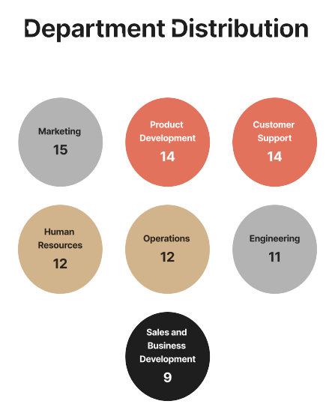
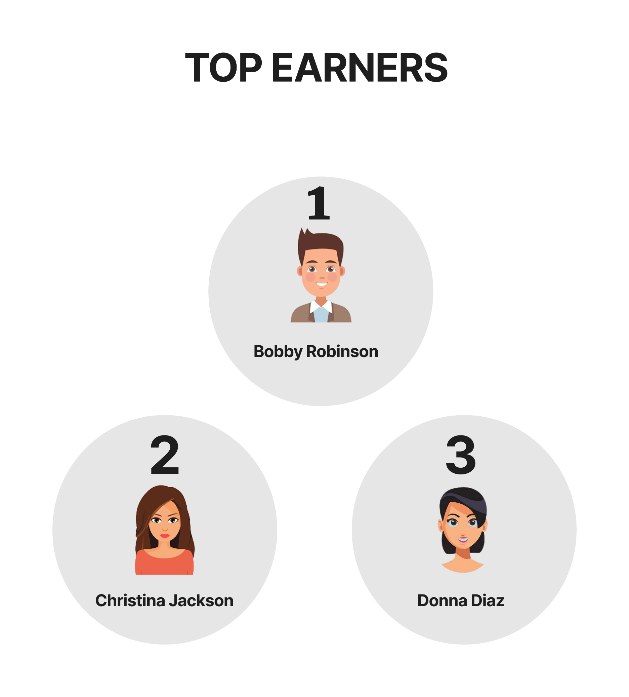
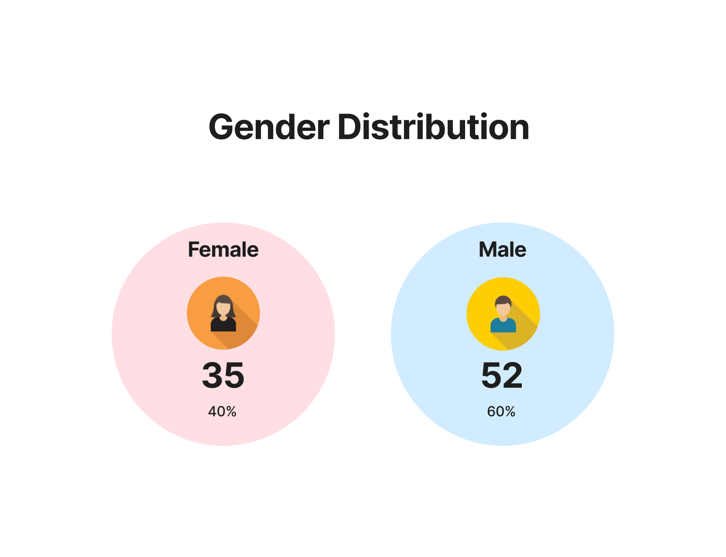
Gender Distribution

